DESCRIBING SHEET
DESCRIBING SHEET

 |  | STYLE | THE ROCKS JKT 2.0 M |  | REF | EIV4414 | FABRIC | LIBOLON

 |  | RANGE | CROSSOVER SERIES |  | SEASON | FW18/19 | SUPPLIER | PRIMA

Created on | 2017-04-27 | EIDER CONTACT | SYLVIE/MONIKA |  | SIZES | Men top: XXS - XS - S - M - L - XL - XXL - XXXL | STATUS | NEW

Revised on | comment on 1st proto 28/06/2017 |  |  | 22/01/18 SMS comments

BASE PATTERN: | VH18H2 REGULAR VH18H1 ACTIVE |  |  |  |  |  | WEIGHT | 1140 G

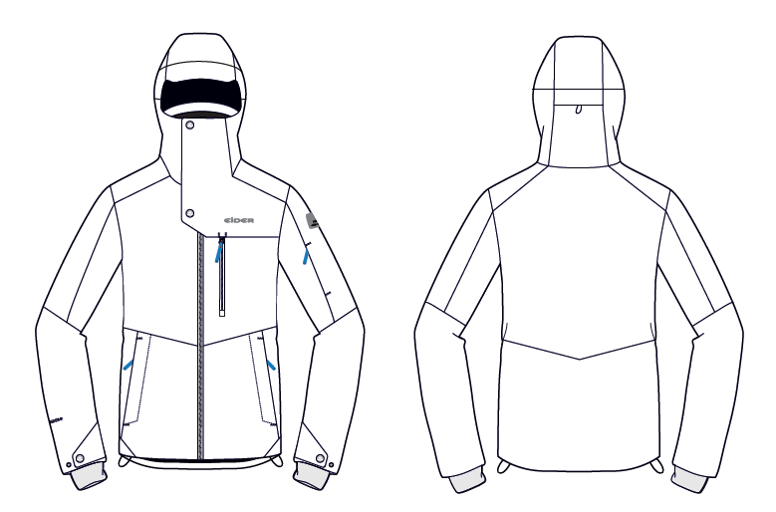

Back hood adjustment under flap
NO VISIBLE TOPSTITCHINGS
Attached hood
Same shape and volume as RIDGE JKT M EIV4339
1 adjustment at back

Defender logo: now placed on the CF stormflap

NEW EIDER LOGO
NEW EIDER RUBBER PLATE
CF opening with flap at top + zipper with double piping 2mm and visible zip teeth + stormflap under zip

Zipped skipass pocket under flap

Zipped chest pocket with double piping 2mm and visible zip teeth

Zipped hand pockets under flap

Cuff flaps with snaps
Bottom hem adjustments
Lycra cuffs without thumbholes

COLOURWAYS
COLOUR RANGE

STYLE |  |  | THE ROCKS JKT 2.0 M |  |  | REF |  |  | EIV4414 |  | FABRIC |  | LIBOLON

RANGE |  |  | CROSSOVER SERIES |  |  | SEASON |  |  | FW18/19 |  | SUPPLIER |  | PRIMA

COLOUR CODE |  | STATUS |  | COLOUR NAME |  |  | QT A LANCER
7391 |  |  |  | RAVEN
7986 |  |  |  | NIGHTFALL
6623 |  |  |  | DARK NIGHT
8633 |  |  |  | DARK ORANGE
8092 |  |  |  | MISTY GREY
 |  |  |  |  |  |  | 0

CANCELLED

 | DARK NIGHT
 |  |  |  |  | NIGHTFALL
 |  |  |  |  |  |  |  | RAVEN
 |  |  |  |  |  |  |  |  |  | DARK ORANGE
 |  |  |  |  |  |  |  |  |  |  |  | MISTY GREY

LINING
LINING

STYLE | THE ROCKS JKT 2.0 M | REF | EIV4414 | FABRIC | LIBOLON

RANGE | CROSSOVER SERIES | SEASON | FW18/19 | SUPPLIER | PRIMA
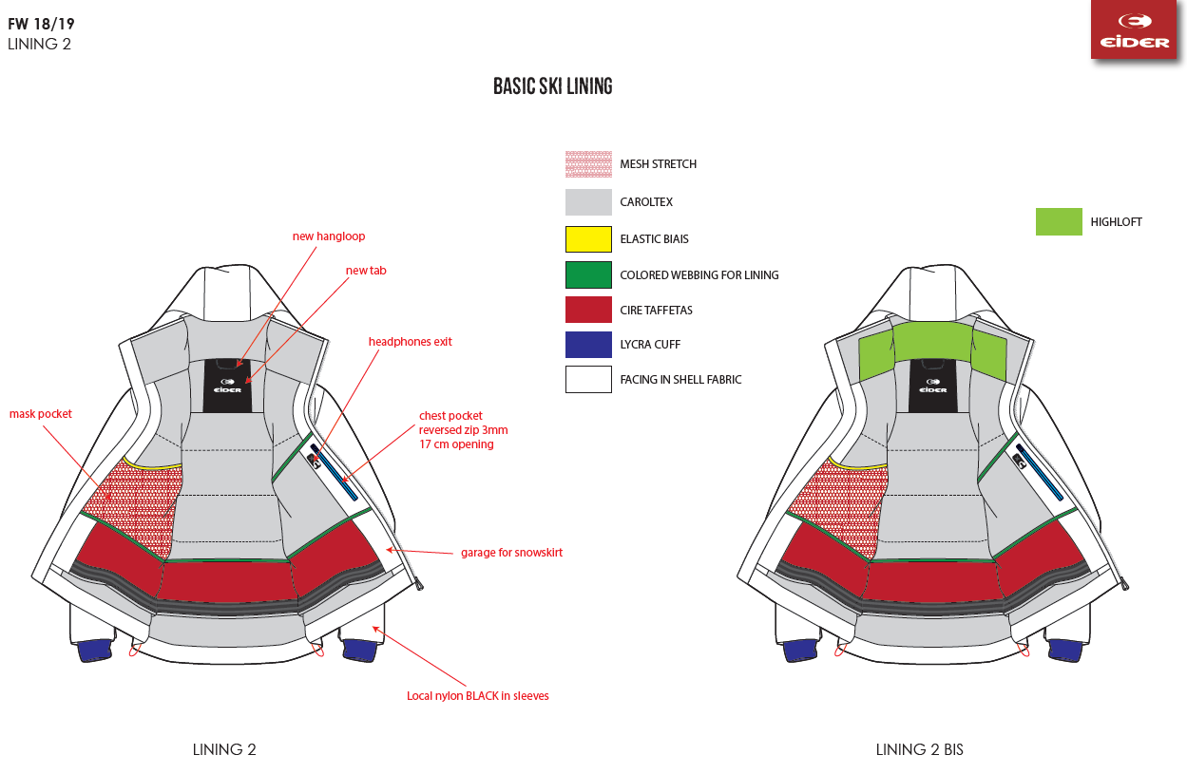

HONEYCOMB CUFFS

ACCESSORIES
ACCESSORIES

STYLE | THE ROCKS JKT 2.0 M |  |  | REF | EIV4414 |  |  |  | FABRICS |  |  | LIBOLON

RANGE | CROSSOVER SERIES |  |  | SEASON | FW18/19 |  |  |  | SUPPLIER |  |  | PRIMA

PICTURE |  | REF. | PLACE |  |  | QTY | COLOURS
 |  |  |  |  |  |  | RAVEN | NIGHTFALL | DARK NIGHT | DARK ORANGE | MISTY GREY
 |  |  |  |  |  |  | 7391 | 7986 | 6623 | 8633 | 8092
ZIPPERS
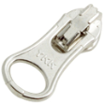
 |  | VISLON ZIP
 |  | 5MM | FRONT OPENING |  |  | 1 | RAVEN | BLACK | DARK NIGHT | DARK ORANGE | MISTY GREY
 |  | AUTOLOCK, OPEN END |  |  |  |  | WITH BLACK TEETH | WITH BLACK TEETH | WITH TRUE BLOOD TEETH | WITH BLACK TEETH | WITH BLACK TEETH
 |  | 1 WAY, DALH SLIDER |  |  |  |  | YKK 301 | YKK 580 | YKK 169 | YKK 045 | YKK 329
 |  | Supplier : YKK
 |  | WATERPROOF
 |  | VISLON ZIP
 |  | 5MM | CHEST POCKET |  |  | 1 | RAVEN | BLACK | DARK NIGHT | DARK ORANGE | MISTY GREY
 |  | AUTOLOCK, CLOSE END |  |  |  |  | WITH BLACK TEETH | WITH BLACK TEETH | WITH TRUE BLOOD TEETH | WITH BLACK TEETH | WITH BLACK TEETH
 |  | 1 WAY, DALH SLIDER |  |  |  |  | YKK 301 | YKK 580 | YKK 169 | YKK 045 | YKK 329

 |  | COIL ZIP
 |  | 3MM | HAND POCKETS |  |  | 2 | RAVEN | NIGHTFALL | DARK NIGHT | DARK ORANGE | MISTY GREY
 |  | AUTOLOCK, CLOSE END | SKI PASS POCKET |  |  | 1 | YKK 301 | YKK 074 | YKK 169 | YKK 045 | YKK 329
 |  | 1 WAY, DALH SLIDER

 |  | COIL ZIP
 |  | 3MM | AIRVENTS |  |  | 2 | RAVEN | NIGHTFALL | DARK NIGHT | DARK ORANGE | MISTY GREY
 |  | NON LOCK, CLOSE END | SLIDER AT BOTTOM WHEN CLOSED |  |  |  | YKK 301 | YKK 074 | YKK 169 | YKK 045 | YKK 329
 |  | 1 WAY, DFBW SLIDER

 |  | REVERSED COIL ZIP
 |  | 3MM | INNER POCKET |  |  | 1 | BLACK | BLACK | BLACK | BLACK | BLACK
 |  | NON LOCK, CLOSE END |  |  |  |  | YKK 580 | YKK 580 | YKK 580 | YKK 580 | YKK 580
 |  | 1 WAY, DFBW SLIDER


 |  | COIL ZIP
 |  | 3MM | REMOVABLE HOOD |  |  | 1 | RAVEN | NIGHTFALL | DARK NIGHT | DARK ORANGE | MISTY GREY
 |  | AUTOLOCK, OPEN END | 12 CM |  |  |  | YKK 301 | YKK 074 | YKK 169 | YKK 045 | YKK 329
 |  | 1 WAY, DA SLIDER

OTHER TRIMS

 |  | PULLER RUBBER |  |  |  |  | BLACK | BLACK | DARK NIGHT | BLACK | BLACK
 |  | Ref: EIW18-03
 |  | Supplier : Dragon times | CENTER FRONT OPENING |  |  | 1

 |  |  | SKIPASS POCKET |  |  | 1
 |  | PULLER RUBBER | HAND POCKETS |  |  | 2 | BLACK | BLACK | DARK NIGHT | BLACK | BLACK
 |  | Ref: EIS19-05 | CHEST POCKET |  |  | 1
 |  | Supplier : Dragon times

final length = 4cm
 |  | DRAWCORD
 |  | Ref: EIS15U-XMCO01 |  |  |  |  | BLACK | BLACK | DARK NIGHT | BLACK | BLACK
 |  | Supplier: YF Zipper | INNER POCKET |  |  | 1

 |  | NOT ELASTIC
0,2 cm
 |  | DRAWSTRING OUTDOOR
 |  | Ref: EW026 | HOOD |  |  | 1 | BLACK | BLACK | DARK NIGHT | BLACK | BLACK
 |  | Supplier: YF Zipper | BODY HEM |  |  | 1

 |  | ELASTIC

 |  | CORD LOCK
 |  | Ref: EIW17-02 | HOOD |  |  | 2 | BLACK | BLACK | DARK NIGHT | BLACK | BLACK
 |  | Supplier: Dragon Times

 |  | Use with 2mm drawstring

 |  | RUBBER STOPPER
 |  | Ref: EIS15U-XMSTP01 |  |  |  |  | BLACK | BLACK | DARK NIGHT | BLACK | BLACK
 |  | Supplier: Unitex | BACK HOOD |  |  | 1
 |  | 2cm x 1cm | BODY HEM |  |  | 2

 |  | COLORED EYELET
 |  | Ref: EIS15U-XMOEI01 |  |  |  |  | BLACK | BLACK | DARK NIGHT | BLACK | BLACK
 |  | Supplier: Unitex | BODY HEM |  |  | 4
 |  | 9mm

 |  | EYELET | BACK HOOD |  |  | 1 | BLACK | BLACK | DARK NIGHT | BLACK | BLACK

 |  | EIS15U-XMOEI01

 |  | COLORED PEARL
 |  | EIS15U-XMPER01 | BACK HOOD |  |  | 1
 |  | Supplier: Unitex | BODY HEM |  |  | 2 | BLACK | BLACK | DARK NIGHT | BLACK | BLACK

 |  | COLORED WEBBING
 |  | Ref: EIS15U-XMTRE01 |  |  |  |  | BLACK | BLACK | DARK NIGHT | BLACK | BLACK
 |  | Supplier: YF Zipper | BACK HOOD |  |  | 1
 |  | 0,5cm wide | BODY HEM |  |  | 2
 |  | TO HOLD STOPPERS

 |  | EIDER HANGLOOP
 |  | Ref : EIW18-01 | HANGLOOP AT COLLAR |  |  | 1 | BLACK/ RAVEN/ MISTY GREY | BLACK/ RAVEN/ MISTY GREY | DARK NIGHT/ BLACK/ DARK NIGHT | BLACK/ RAVEN/ MISTY GREY | BLACK/ RAVEN/ MISTY GREY
 |  | Supplier : 'YF ZIPPER
 |  | 4mm diameter

 |  | SOFT WEBBING FOR LINING
 |  | Ref:EIW17-15 | ABOVE INNER POCKET |  |  | 1 | BLACK | BLACK | DARK NIGHT | BLACK | BLACK
 |  | Supplier: DRAGON TIMES | ABOVE SNOWSKIRT |  |  | 1
 |  | 1CM


 |  | EIDER SNAP
 |  | Ref : EIW18-04 | FRONT FLAP |  |  | 2F+2M | BLACK | BLACK | DARK NIGHT | BLACK | BLACK
 |  | Supplier : UNITEX | CUFF FLAPS |  |  | 2F+4M
 |  | 17MM

 |  | NO SLIP ELASTIC 25MM
 |  | SILICONE | SNOWSKIRT |  |  | 1 | BLACK | BLACK | BLACK | BLACK | BLACK
 |  | Ref: EIS17-08
 |  | Supplier: BENEFIT

 |  | SMALL PLASTIC SNAP | REMOVABLE HOOD |  |  | 4F+4M
 |  | Ref : EIW16-16 | SNOWSKIRT OPENING |  |  | 2F+4M
 |  | Supplier : UNITEX | SNOWSKIRT ELASTIC |  |  | 1F+1M | BLACK | BLACK | DARK NIGHT | BLACK | BLACK
 |  | 12MM | SNOWSKIRT GARAGE (CHECK MY COMMENTS FOR DETAILS) |  |  | 2F+2M

 |  | LARGE ELASTIC | FOR PHONE POCKET |  |  | 3 | BLACK | BLACK | DARK NIGHT | BLACK | BLACK
 |  | Ref: EW17-14
 |  | Supplier: WILSON

 |  | LYCRA BIAS UNICOLOR
 |  | Ref: A00A-L11133/20 | GOGGLE POCKET |  |  | 1 | BLACK | BLACK | DARK NIGHT | BLACK | BLACK
 |  | Supplier: Wilson

 |  | ELASTIC WEBBING 10MM | GOGGLE CLEANER |  |  | 1 | BLACK | BLACK | DARK NIGHT | BLACK | BLACK
 |  | 18CM FININSHED LENGHT
 |  | LOCAL SOURCING

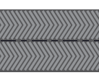

 |  | HERRINGBONE WEBBING |  |  |  |  | NOIR | NOIR | TRUE BLOOD | NOIR | DARK ORANGE
 |  | Supplier : Wilson | CF STORMFLAP |  |  | 1
1 cm width

 |  | VELCRO |  |  |  |  | TONE/TONE | TONE/TONE | TONE/TONE | TONE/TONE | TONE/TONE
 |  | UNDER FRONT FLAP |  |  |  | 1
 |  | 1,2cm width
 |  | LOCAL SOURCING

 |  | RUBBER EARPHONE HOLE | INNER POCKET |  |  | 1 | BLACK | BLACK | BLACK | BLACK | BLACK
 |  | Ref: PA-A2 MP3 RUBBERT B
 |  | Supplier: YF ZIPPER

LABELS
 |  | NEW RUBBER PLATE Ref: EIW18-14 Supplier : Clotex 35 MM x 35 MM | SEWN ON LEFT SHOULDER |  |  | 1

 |  |  |  |  |  |  | BLACK | BLACK | DARK NIGHT | BLACK | BLACK

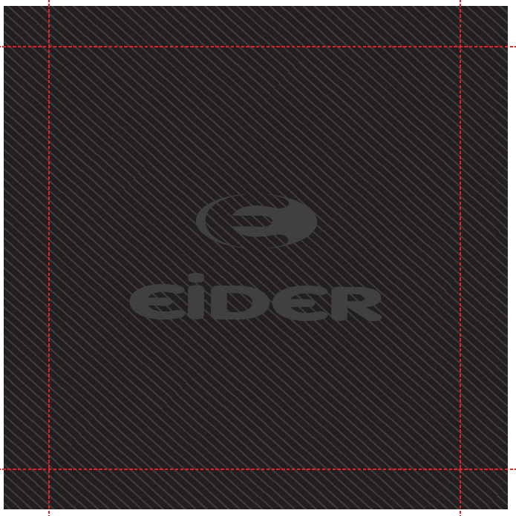
 |  | WOVEN BIG LABEL
 |  | Ref: EIW18-11 | SEWN INSIDE BACK |  |  | 1 | BLACK | BLACK | DARK NIGHT | BLACK | BLACK
 |  | Supplier: SML
 |  | 120x120mm

 |  | NEW
 |  | SIZE WOVEN LABEL MMG
 |  | ALPHA MEN TOP | BELOW THE HANGLOOP AT COLLAR |  |  | 1 | BLACK | BLACK | DARK NIGHT | BLACK | BLACK
 |  | Supplier: SML
 |  | Ref: LWS18-01
 |  | WITH RN + CA NUMBERS


 |  | CANADIAN LABEL | INSIDE LEFT |  |  | 1 | WHITE | WHITE | WHITE | WHITE | WHITE
 |  | FOR PADDING
 |  | LOCAL SOURCING

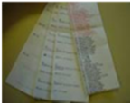
 |  | SATIN CARE LABEL
 |  | Ref Label 1: SMLCL1 | INSIDE LEFT |  |  | 1 | WHITE | WHITE | WHITE | WHITE | WHITE
 |  | Ref Label 2: SMLCL2
 |  | Ref Label 3: SMLCL3
 |  | Supplier: SML
HANGTAGS
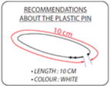
 |  | PLASTIC PIN
 |  | local sourcing | TO ATTACH THE HANGTAG |  |  | 1
 |  | TO BE CONFIRMED
 |  | 10CM, WHITE

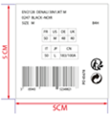 |  | BIG
 |  | GENCODE STICKER
 |  | local sourcing | STICKED AT BACK OF CORPORATE HANGTAG |  |  | 1

 |  | 5cm x 5cm

 |  | BRAND HANGTAG
 |  | EID_1_Corporate (EIDHT01 / Orli : 396031 ) | POSITION 1
 |  | Supplier:
 |  |  |  |  |  | 1

 |  | ENGAGEMENT HANGTAG
 |  | EID_2_PFCFree (EIDHT025 / 396045 :) | POSITION 2 |  |  | 1
 |  | Supplier: Triple Star

 |  | ENGAGEMENT HANGTAG
 |  |  | POSITION 3
 |  | EID_2_LowImpact (EIDHT024 / 396070 :)
 |  | Supplier: Triple Star |  |  |  | 1

 |  | FABRIC HANGTAG
 |  | EID_3_Defender10/10_FST (EIDHT0303 / 396050 : ) | POSITION 4
 |  | Supplier: Triple Star |  |  |  | 1

ARTWORKS
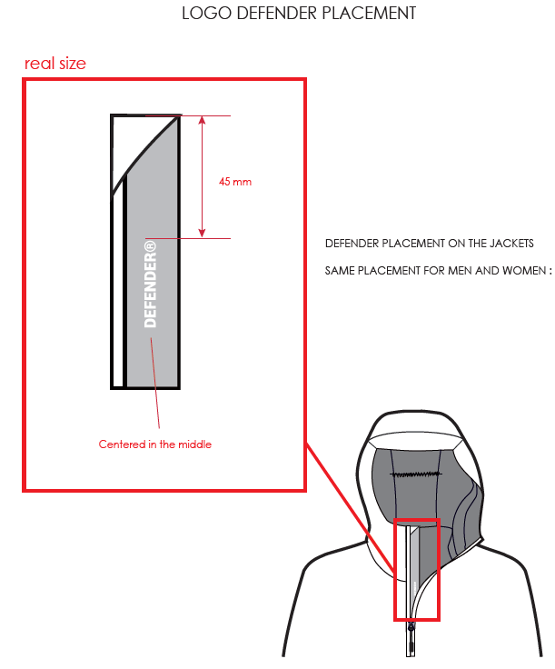
ARTWORKS

STYLE | THE ROCKS JKT 2.0 M | REF | EIV4414 |  | FABRIC | LIBOLON

RANGE | CROSSOVER SERIES | SEASON / SAISON | FW18/19 |  | SUPPLIER | PRIMA

EXAMPLE OF ZIPPER WITH DOUBLE PIPING AND VISIBLE ZIPPER TEETH

 |  |  |  | RUBBER PLATE and EIDER LOGO ON CHEST PLACEMENTS FOR MEN :

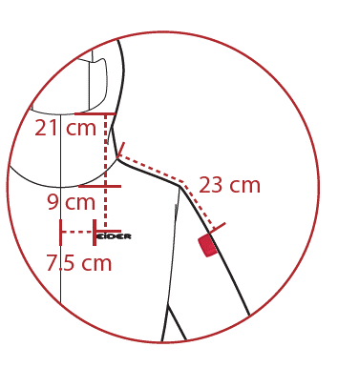

Defender Logo placement on stormflap :

REMARKS
REMARKS

STYLE |  |  | THE ROCKS JKT 2.0 M |  |  |  | REF | EIV4414 | FABRIC | LIBOLON

RANGE |  |  | CROSSOVER SERIES |  |  |  | SEASON | FW18/19 | SUPPLIER | PRIMA

DATE | MADE BY |  |  | COMMENTS

 |  |  |  | FW18/19

2017-04-28 | Monika |  |  | COMMENTS ON LAUNCHING

 |  |  |  | New style. Same design as EIV4340 with the following modifications:
 |  |  |  | Different fabric. Jacket is in full LIBOLON fabric
 |  |  |  | No piping at hood peak
 |  |  |  | No front hood adjustments. Only 1 at back.
 |  |  |  | Chest pocket is Vislon 5mm waterproof
 |  |  |  | Lycra cuffs do not have thumbholes

 |  |  |  | Please make a 1st proto with correct fabric
 |  |  |  | Do not hesitate to ask if you have any questions

 |  |  |  | We will send you our FW1718 THE ROCKS JKT M sample for you to copy lines and finishings

2017-05-15 | Monika |  |  | Today I sent the FW1718 THE ROCKS JKT M reference jacket. Be careful, there are some needles.
 |  |  |  | Please send it back with 1st proto
2017-06-20 | Rim |  |  | COMMENTS ON 1st PROTO

 |  |  |  | TRIMS & LABELS
 |  |  |  | * CF stormflap : add a patched herringbone webbing from WILSON / Refer to the accessories sheet
 |  |  |  | * Defender Logo : placement confirmed on stormflap. check the artwork page for details
 |  |  |  | * New EIDER rubber plate on shoulder + New Eider Rubber Logo on chest

 |  |  |  | * Add a velcro under front flap
 |  |  |  | MEASUREMENTS
 |  |  |  | * Please respect better the SIZE SPEC especially for measures B, MC and VHA / Refer to the SIZE SPEC for more details
 |  |  |  | * PATTERN BASE : Pattern base VH18H2 that we used on 1st proto will be replaced by pattern base VH18H1 for a smaller width. Check the updated Size Spec and the pattern file VH18H1 that I sent you
 |  |  |  | WORKMANSHIP
 |  |  |  | * Hood : we change to an attached hood / Same shape and volume as RIDGE JKT M EIV4339
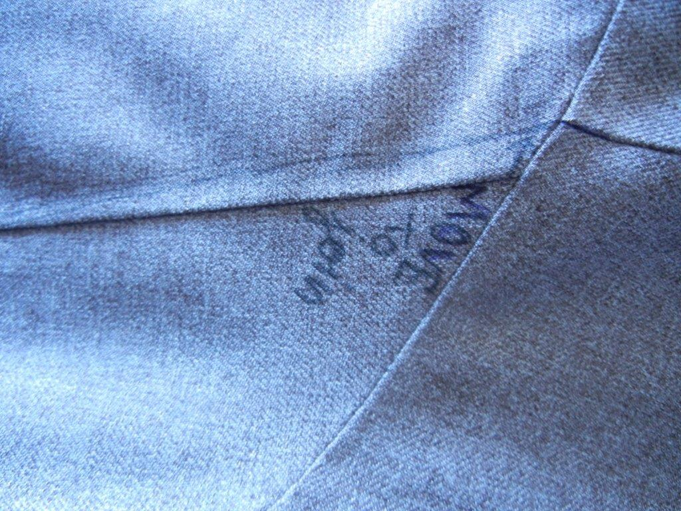
 |  |  |  | * Airvents : CANCELLED
 |  |  |  | * Revise the line at top of sleeve / must be moved. Check the picture below :

 |  |  |  | FINISHING
 |  |  |  | * SEAM TAPED : Now critical seam taped not all seam taped
 |  |  |  | * Bartacks : must be vertical not horizontal for a better aesthetic effect / in the same direction as cutting
 |  |  |  | CONCLUSION
 |  |  |  | * Please make the second proto in the correct fabrics and with the correct lining
2017-07-17 | Chiara |  |  | COMMENTS ON 1st PROTO / ASIA MEETING

 |  |  |  | FABRIC
 |  |  |  | Inner cuff : use the honey comb fabric i/o lycra fabric. See fabric page to see details.
 |  |  |  | Padding : ok for the PM quality used. See fabric page for the detail.
 |  |  |  | Interlining : use an interlining i/o glue inner for : cuff tab, snowskirt flap, inner front flap and flap at back hood (adjustment at back hood)

 |  |  |  | TRIMS & LABELS
 |  |  |  | Big woven label :big woven label reference change. See the accessories page for the details.
 |  |  |  | Zipper on chest : the zipper become not waterproof. See the accessories page for the detail.

2017-08-10 | Rim |  |  | Comments on 2nd proto

 |  |  |  | FABRIC
 |  |  |  | * cuffs in honeycomb biface: ok on proto 2 /BUT ATTENTION : you used the fabric on the wrong side. The fluffy side is the back side and the less fluffy side is the front side.
 |  |  |  | * put interlining / glue on the hood upper edge for a flatter result

 |  |  |  | TRIMS & LABELS

 |  |  |  | * CF stormflap : herringbone webbing from WILSON : OK on proto 2 + make stormflap 0,5 cm larger so you can make the DEFENDER print
 |  |  |  | * New EIDER rubber plate on shoulder at 23 cm from neckline + New Eider Rubber Logo on chest :
 |  |  |  | * Airvents cancelled on proto 2 : ok
 |  |  |  | * Chest pocket : not waterproof zipper : not ok > waterproof used on proto 2
 |  |  |  | WORKMANSHIP
 |  |  |  | * Cancel the zipper garage : not necessary on this style
 |  |  |  | * Attached hood : OK on proto 2
 |  |  |  | * lines at shoulder matching : OK

 |  |  |  | MEASUREMENTS
 |  |  |  | * Please respect better the size spec for measures UB1, R and D

 |  |  |  | PRINTS
 |  |  |  | * Defender Logo : please put it on the elarged storm flap / missing on proto 2

2017-09-07 |  | RIM |  | ANNECY MEETING + GENERAL Comments
 |  |  |  | * We cancel the phone elastic in inner pocket
 |  |  |  | * Only one bartack on the middle of hood tunnel
 |  |  |  | * Please follow the approved workmanship for velcro on cuffs
 |  |  |  | * Please make sur to follow the transfer/ fixing indications of the sealon tape so it would be well fixed
 |  |  |  | 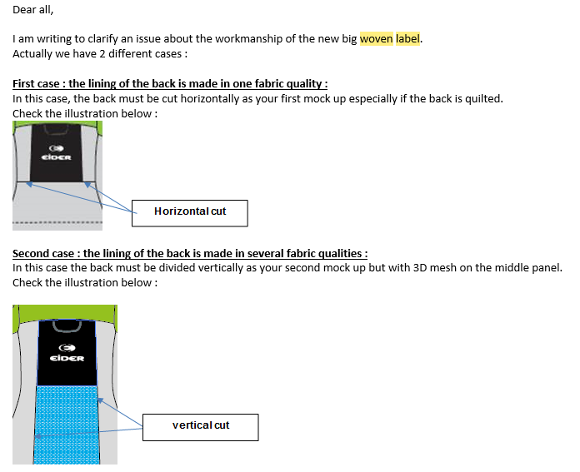 * Big woven label assembling : horizontal cut outs if we have only 1 fabric on middle back lining and vertical cut outs if we have 3D mesh on middle lining. Please refer to the email below that I sent you before :
 |  |  |  | * Bartacks : must be vertical not horizontal
 |  |  |  | * Please align the buttonhole on lining with rubber hole for earphones and make it larger so we can take out the earphones wire easily
 |  |  |  | * Please replace the pearl EIS15U-XMPER01 by the plastic pearl EIS15U-XMPER02

 |  |  |  | CONCLUSION
 |  |  |  | OK SMS according to the comments above

2018-01-22 | RIM |  |  | Comments on SMS
 |  |  |  | BP0 CANCELLATION
 |  |  |  | 8633 | DARK ORANGE | This color is cancelled for bulk
 |  |  |  | FABRICS
 |  |  |  | Front collar : respect the padding weight of 40 G as indicated on the TF
 |  |  |  | TRIMS & LABELS
 |  |  |  | * New small rubber puller Ref. EIS19-05 on hand pockets, ski pass pocket and chest pocket instead of the big rubber puller
 |  |  |  | * Rubber plate on shoulder : we will use the same rubber plate for Men and Women for bulk. Same reference as the collection's small rubber plate ref. EIW18-14 with new quality/ white Eider logo on the inside now/ same background colors as latest version/ supplier : Clotex/ new dimensions : 3,5x3,5CM
 |  |  |  | * Size label must be inserted under the big woven label inside the jacket. Check the photo below

 |  |  |  | MEASURES
 |  |  |  | * The hood is too tight on SMS. Please respect the Size spec especially for collar inner lengthe and at top edge UB1 and UB2

 |  |  |  | WORKMANSHIP
 |  |  |  | Sleeve pocket : reduce the depth of the pocket back and tuck the seam value on the inside with the back seam

 |  |  |  | CONCLUSION
 |  |  |  | Please send us 2 SSS in size S and XL

JACKET SKETCH MEASUREMENTS
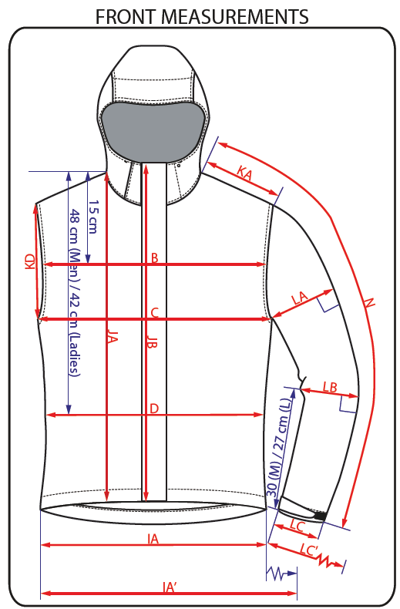
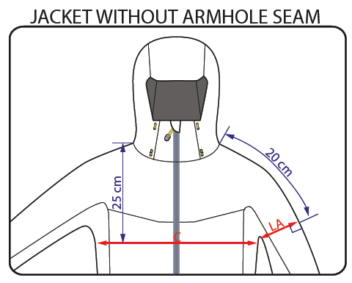
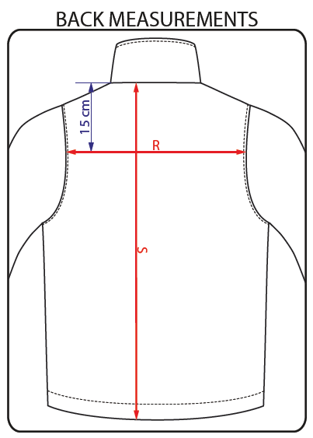
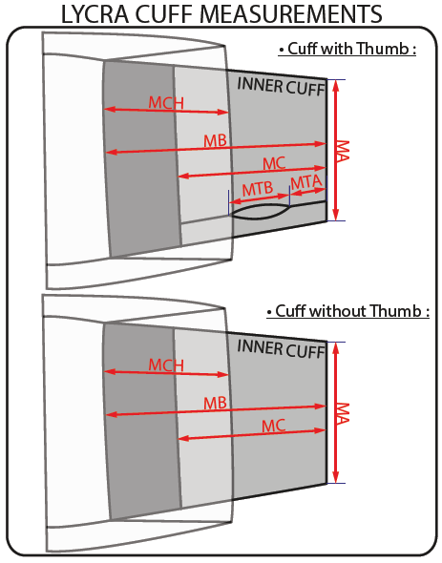
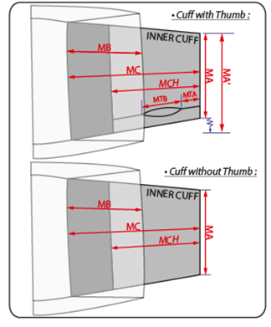
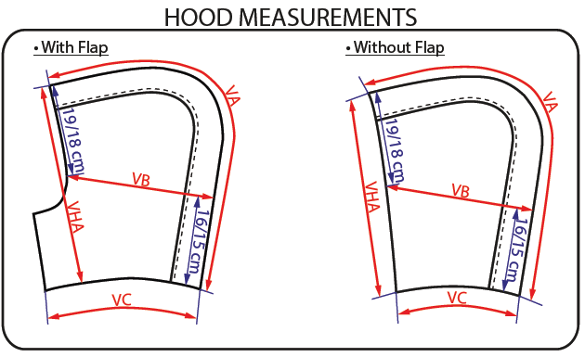
JACKET SKETCH MEASUREMENTS

